Creating a column chart for you
Shark Attacks in Australia - Last 100 Years
Fatal, Injured, dan Uninjured

Removing a series
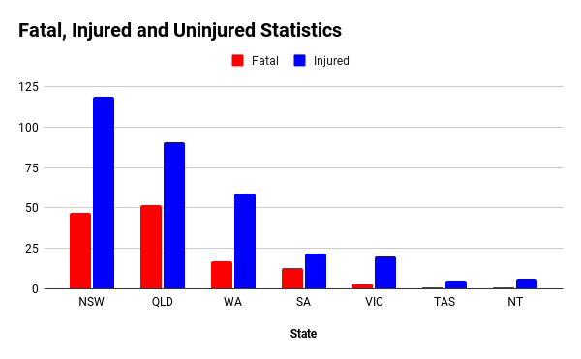
Shark Attacks in Australia - Last 100 Years

Changing the plotted range
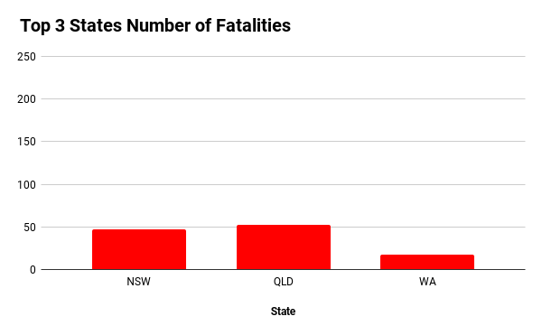
Shark Attacks in Australia - Last 100 Years

